Sales Rep
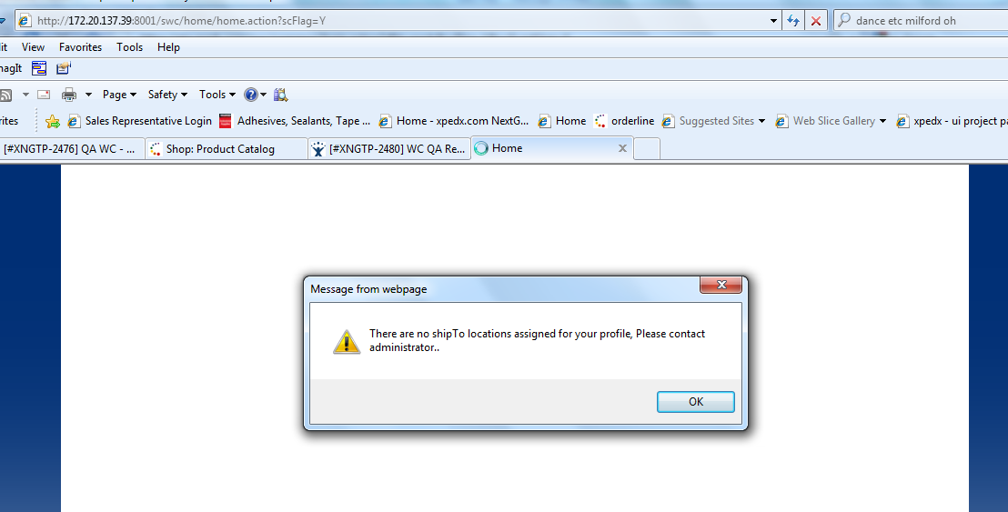
Test Case # | 1.00 | Test Case Name: | Sales Rep - Login Page
Use Case # |  | Preconditions: | Sales Representative (Professional) preparing to launch the sales rep login page
DDD ID:
Req. # |  | Notes:

Step # | User Input |  | Expected Results | Actual Results / Comments | Pass/Fail | Date Executed | JIRA #
1 | Launch sales.ipaper.com url on the internet browser. |  | The login page is displayled.
2 | Validate the Login page |  | The sign-in page is displayed with the following: • 'Sign In' title in the header of the small page • 'Access your account.' is displayed underneath the 'Sign In' title. • 'Username:' text with open textbox is displayed (50 or above # of characters?) • 'Password:' text with open textbox is displayed (20 # of characters) • 'Sign In' button is displayed underneath the password text box, except right aligned. • 'Forgot Password' link is displayed underneath the password text box, except right • • 'Questions? Please contact eBusiness support at 877.269.1784' text message is displayed at the bottom of the page.
3 | Enter a invalid username and click on the 'Sign-in' button |  | "Username / Password is Invalid" message is displayed in red underneath the Forgot Password link
4 | Enter a valid username, but invalid password and then click on the 'Sign-in' button |  | "Username / Password is Invalid" message is displayed in red underneath the Forgot Password link
5 | Enter a invalid username and password then click on the 'Sign-in' button |  | "Username / Password is Invalid" message is displayed in red underneath the Forgot Password link
6 | Enter a valid username and leave password blank. Then click on the 'Sign-in' button. |  | "Username / Password is Invalid" message is displayed in red underneath the Forgot Password link
7 | Leave username blank and enter valid password. Then click on the 'Sign-in' button. |  | "Username / Password is Invalid" message is displayed in red underneath the Forgot Password link
8 | Click on 'Sign In' button without user name and password. |  | "Username / Password is Invalid" message is displayed in red underneath the Forgot Password link
9 | Enter a valid username and password. Then click on the 'Sign-in' button |  | Search for customer page is displayed. Username is succesffully authenticated against the Active Directory.

Test Case # | 2.00 | Test Case Name: | Sales Rep - Inactivate the Network Id in Active Directory
Use Case # |  | Preconditions: | Sales Representative (Professional) has launched the sales rep login page
DDD ID:
Req. # |  | Notes:

Step # | User Input |  | Expected Results | Actual Results / Comments | Pass/Fail | Date Executed | JIRA #
1 | Enter a username and password for user which has been inactivated in the Active Directory. Then click on the 'Sign-in' button. |  | "Username / Password is Invalid" message is displayed in red underneath the Forgot Password link
2

Test Case # | 3.00 | Test Case Name: | Product Categories - Forgot Password
Use Case # |  | Preconditions: | Sales Representative (Professional) has launched the sales rep login page
DDD ID:
Req. # |  | Notes:

Step # | User Input |  | Expected Results | Actual Results / Comments | Pass/Fail | Date Executed | JIRA #
1 | Place mouse over the 'Forgot Password' link |  | A tool-tp is displayed with the message "Your username and password is your network ID."
2 | Remove the mouse over the 'Forgot Password' link |  | The tool-tp disappears

Test Case # | 4.00 | Test Case Name: | Sales Rep - Search Customer (using SalesRep Id assigned to multiple Customers)
Use Case # |  | Preconditions: | Sales Representative (Professional) has successfully logged in and navigated to the Customer search page
DDD ID:
Req. # |  | Notes:

Step # | User Input |  | Expected Results | Actual Results / Comments | Pass/Fail | Date Executed | JIRA #
1 | Validate the Search for Customer page |  | • A 'Search for Customer' page header is displayed • A search text box with search icon and text instruction of 'Search for Customer' inside the textbox is displayed. • By default, all customers assigned to the given sales rep is displayed in alphabetical order by the Customer name. Note, if the given sales rep is not indicated as a dummy user in the customer bacth load file, there will be no customers displayed or available to select. • 'Customer Name', 'Customer Number', 'select' column of information is displayed in a table format. The last column does not have a cloumn title and only displays the 'Select' link for each customer to select the customer.
2 | Enter 'Smi' in the search text box (Note, Customer name or number can used to search for the customer) |  | The 'Search for Customer' text disappears and 'Smi' is displayed inside the textbox.
3 | Click on the search icon |  | Customer names containing 'Smi' is displayed in alphabetically order by the Customer name. If there are no customer with the matching criteria, then "No Customer records found with the above criteria" message is displayed in bold black text in the center below the search function.

Test Case # | 5.00 | Test Case Name: | Sales Rep - Search Customer (using SalesRep Id assigned to multiple Customers)
Use Case # |  | Preconditions: | Sales Representative (Professional) has launched the sales rep login page
DDD ID:
Req. # |  | Notes:

Step # | User Input |  | Expected Results | Actual Results / Comments | Pass/Fail | Date Executed | JIRA #
1 | Sign-in with username which has access to the same customer that is also assigned to another or more than one username (sales represntative). |  | Search for customer page is displayed. Username is succesffully authenticated against the Active Directory.
2 | Validate the Search for Customer page to ensure all assigned customers are displayed and can be accessible. |  | By default, all customers assigned to the given sales rep is displayed in alphabetical order by the Customer name. Note, if the given sales rep is not indicated as a dummy user in the customer bacth load file, there will be no customers displayed or available to select.
3 | Click on the 'Select' link for the given customer which is also assinged to another or more than one username (sales representative). |  | Customer web channel ordering system is displayed. Sales Rep is logged in to the web channel to view the site or order on behalf of their customer using a view (with few exceptions) that is the same as what the end customer user sees.
4 | Try login in as another username to ensure assigned customers can be accessed. Repeat step 1 - 3. |  | Expected results same as defined above.

Test Case # | 6.00 | Test Case Name: | Sales Rep - Verify the Sales Rep Web Channel access
Use Case # |  | Preconditions: | Sales Representative (Professional) has launched the sales rep login page
DDD ID:
Req. # |  | Notes:

Step # | User Input |  | Expected Results | Actual Results / Comments | Pass/Fail | Date Executed | JIRA #
1 | Sign-in as one of the salesperson username, select a customer, and validate the Web Channel site. |  | Customer web channel ordering system is displayed. Sales Rep is logged in to the web channel to view the site or order on behalf of their customer using a view (with few exceptions) that is the same as what the end customer user sees. All access is the same as setup for the customer admin role, except: • In the My Profile page, only has access to "Site Preferences" tab (to view or edit) and the rest of the tabs are not displayed. • On the Item detail page, can view cost • On Web Confirmation, Order Detail, Order Search and Order Management drop-down can not view invoices
2 | Validate the Bill-to/Ship-to access across the application (Change Ship-to, MIL Bill-to/Ship-to, Cart Bill-to/Ship-to, etc.) |  | By default, Sales Rep user has access to all the Bill-to, which automtically provides access to all the Ship-to.

Test Case # | 7.00 | Test Case Name: | Sales Rep - Verify Sales Rep can view cost
Use Case # |  | Preconditions: | Sales Representative (Professional) has successfully logged in to the Web Channel for a given customer
DDD ID:
Req. # |  | Notes:

Step # | User Input |  | Expected Results | Actual Results / Comments | Pass/Fail | Date Executed | JIRA #
1 | Enter Item # xxxxxxx (prerequisite: obtain test item which has cost information) in the Catalog Search text at the top of the page. And click on the search icon. |  | Item Detail page is displayed
2 | Validate the 'Cost' information |  | The Cost information is only displayed to SalesRep user. • Cost is displayed underneath the 'Extended Price (USD)' information and before the 'Bracket Pricing (USD)', if it exists • Cost information is displayed in the following format: Cost (USD): [Show] • By default, the Cost information is hidden and can be viewed by clicking on the 'Show' link
3 | Click on the 'Show' link |  | • Cost information is displayed in the following format: Cost (USD): [Hide] $999,999,999.45
4 | Click on the 'Hide' link |  | • Cost information is displayed in the following format: Cost (USD): [Show]

Test Case # | 8.00 | Test Case Name: | Sales Rep - Verify Sales Rep can not view Invoices
Use Case # |  | Preconditions: | Sales Representative (Professional) has successfully logged in to the Web Channel for a given customer
DDD ID:
Req. # |  | Notes:

Step # | User Input |  | Expected Results | Actual Results / Comments | Pass/Fail | Date Executed | JIRA #
1 | Click on the 'Order Management' drop-down |  | Invoices link is not available in the drop-down
2 | Click on the 'Order Management' link and validate the Order Manangement page |  | The order managmenet or search page is displayed. All functionalities/look is same as the regular customer admin, except: • 'View All Invoices' link is not displayed
3 | Click on any one Web Confirmation order number from ther order results provided on the Order Management page |  | The web confirmation page is displayed. All functionalities/look is same as the regular customer admin, except: • On the 'Order Status:' field, sales rep is able to see the order status of 'Invoiced' and the 'Invoice #', but 'Invoice #: 1234567' is not a hyperlink to display the actual Invoice.
4 | Click on the 'Split' link, if available on the given order, in the line level. |  | A tool-tip is displayed with the order status of 'Invoiced' and 'Invoice #: 1234567'. Note, Invoice # is not a hyperlink to display the invoice.
5 | Click on the "Return to Orders" link at the top of the page |  | The order managmenet or search page is displayed.
6 | Click on any one Order # from the order results provided on the Order Manangement page. |  | The order detail page is displayed. All functionalities/look is same as the regular customer admin, except: • On the 'Order Status:' field, sales rep is able to see the order status of 'Invoiced' and the 'Invoice #', but 'Invoice #: 1234567' is not a hyperlink to display the actual Invoice.

Test Case # | 9.00 | Test Case Name: | Sales Rep - Sales Rep not indicated as dummy user
Use Case # |  | Preconditions: | Sales Representative (Professional) has launched the sales rep login page
DDD ID:
Req. # |  | Notes:

Step # | User Input |  | Expected Results | Actual Results / Comments | Pass/Fail | Date Executed | JIRA #
1 | Sign-in as one of the salesrep username and attemp to access a customer whose dummy user id has been removed for this sales representative. |  | The customer is not displayed in the customer result list and can not be accessed via search functionality.
2

Test Case # | 10.00 | Test Case Name: | Sales Rep - Sales Rep not assigned to any bill-to
Use Case # |  | Preconditions: | Sales Representative (Professional) has launched the sales rep login page
DDD ID:
Req. # |  | Notes:

Step # | User Input |  | Expected Results | Actual Results / Comments | Pass/Fail | Date Executed | JIRA #
1 | Sign-in as one of the salesrep username and select a customer that does not have any bill-to assigned to this salesrep user. |  | What should happen when user selects a customer or this may not be a valid sceanrio?
2

Test Case # | 11.00 | Test Case Name: | Sales Rep - Verify Customer Admin can not view dummy ids
Use Case # |  | Preconditions: | Customer Admin preparing to launch the web channel login page
DDD ID:
Req. # |  | Notes:

Step # | User Input |  | Expected Results | Actual Results / Comments | Pass/Fail | Date Executed | JIRA #
1 | Login-in to the regular web channel URL ngstg.xpedx.com as Customer Admin and validate the My Profile page |  | My Profile page is displayed with all four tabs: General Information, Authorized Locations, Site Preferences, Spending Limit & Approvers
2 | Click on the "Show My Users' link (on the top of the page or under the General Information tab) |  | My User lightbox is displayed with all users except for salesrep users. Salesrep username tied to each customers are not displayed to the Customer Admin users.

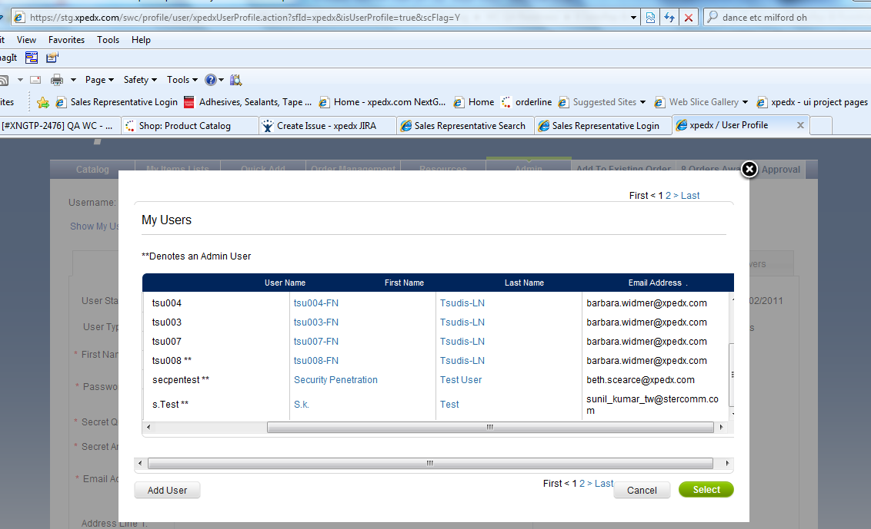

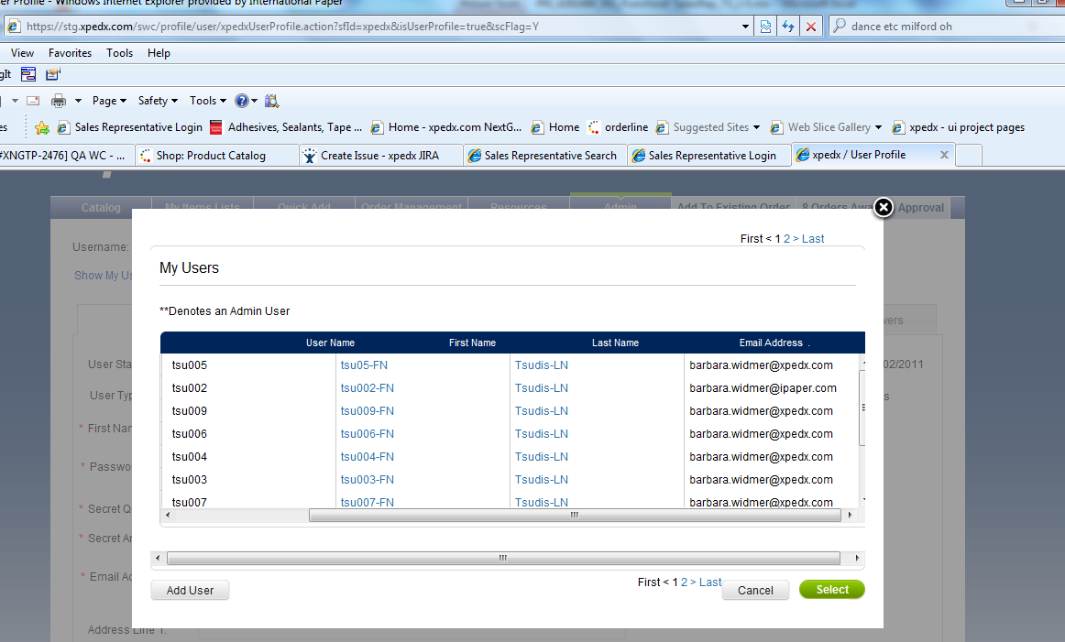

xpedxwebtest01 - salesrep id assigned to one customer with multiple ship-tos. - Passed
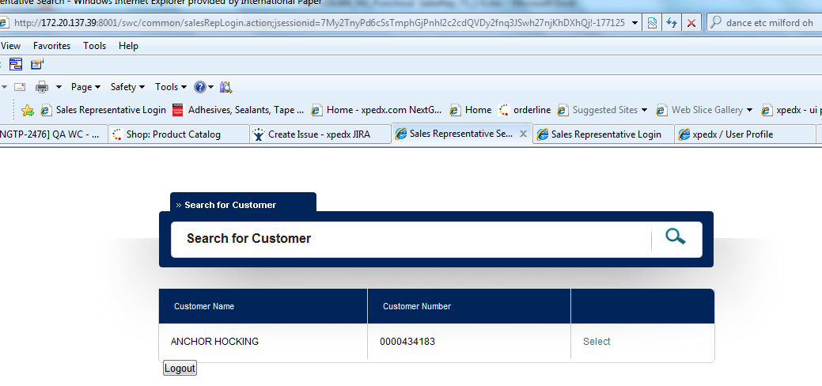

user id - xpedxwebtest06; user with no customers assinged but currently has 'Dummy' user ids in the background.
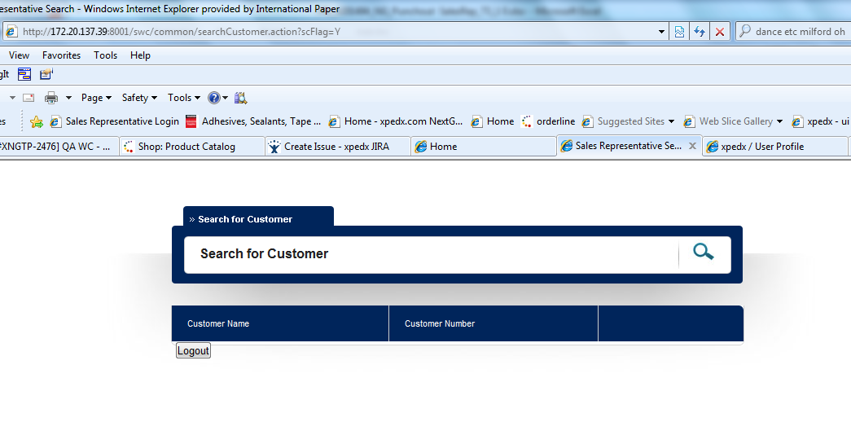

user id = xpedxwebtest01 earlier had one customer assigned, but the customer had no ship-tos assigned. Received the below pop-up error after accepting the Terms policy.

